Part History
HISTORY FILE

Part # |  |  |  |  | 3CE # |  |  | Part Image
Part Name |  |  |  |  | Mat/Thickness
Project # |  |  |  |  | Engineer
Initial Check |  |  |  | Final Check
Catia | Part Thickness | Auto Form | Part Surface Selection | Catia | Part Thickness | Auto Form | Part Surface Selection
 | Part Surface Selection |  | Part Thickness |  | Part Surface Selection |  | Part Thickness
 | Tipping |  | PL Check |  | Tipping |  | PL Check
 | Naming |  | Formability /Thinning Setting |  | Naming |  | Formability /Thinning Setting
 |  |  | Material |  |  |  | Material
 |  |  | Tipping / Negative Draft |  |  |  | Tipping / Negative Draft
SL NO | DR NO/ ENQ NO |  | Modification Description |  |  | Result |  | Engineer | Comments
CHECK
1 | DR02 |  | Nominal Run
2 | DR03 |  | 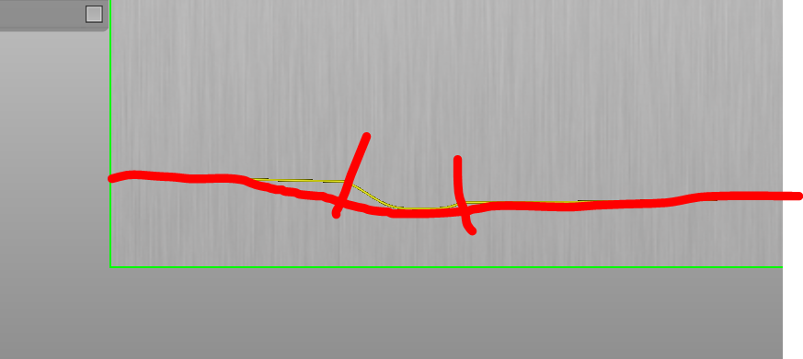 Bead shape shanged and strength increaed |  |  | 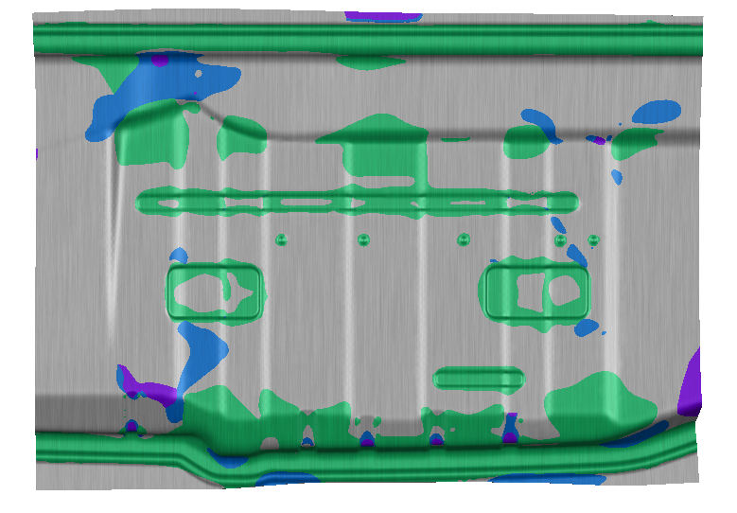 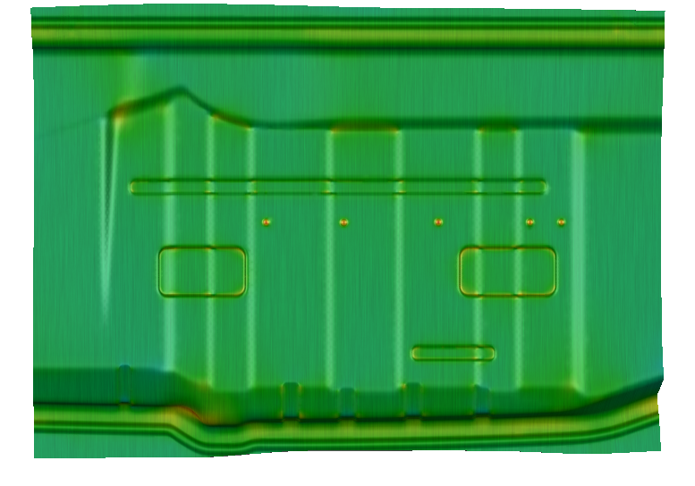
3 | DR04 |  | Bead strength increaed |  |  | 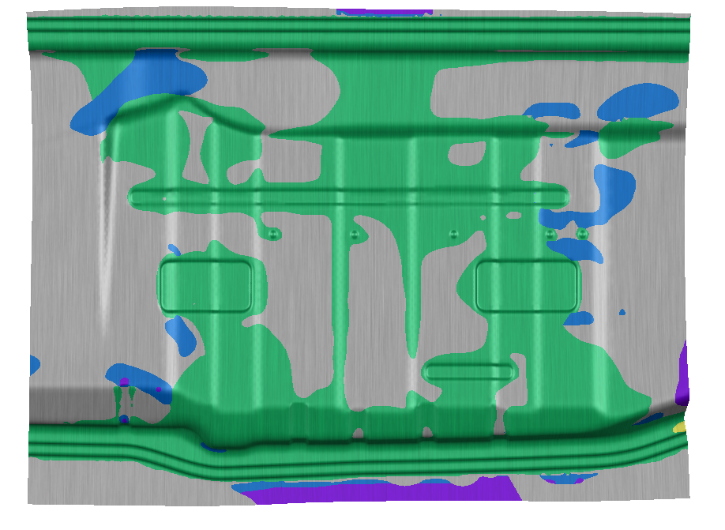 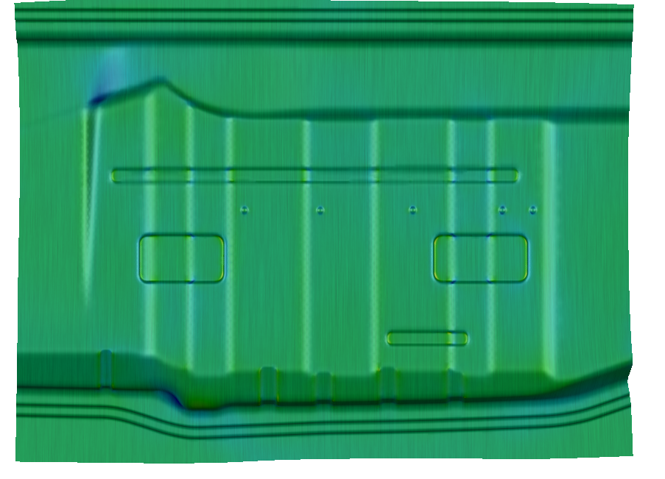
4
5
6
7
8
9
10
11
12
13
14
15
16
17
18
19
20
21
22
23
24
25
26
27
28
29
30
31
32
33
34
35
36
37
38
39
40
41
42
43
44
45
46
47
48
49
50
51
52
53
54
55
56
57
58
59
60
61
62
63
64
65
66
67
68
69
70
71
72
73
74
75
76
77
78
79
80
81
82
83
84
85
86
87
88
89
90
91
92
93
94
95
96
97
98
99
100

General Points
General Points To Remember

Working hours:-
Note down the working hours of each part from the start date to finish date in 3CE Workings hours excel.

History Excel:-
Update the history of Sim & Points to be noted for each iteration accordingly.

Catia:-
In Preform Cut half the Radius of Flange & Provide tool radius.
For High Strength Material:-
In Flange Operation open Wall angle by 45 Degree in first operation & Later Provide Cam Restrike to control the
Springback.

Autoform:-
Update the Date & Sim version for each iteration accordingly.

Report:-
Provide FCR for a part in all possible area by comparing with Weld Assembly or Assembly CAD data provided.

Method Plan:-
Provide Separate Header for Nominal & FCR in all sections of the Method plan (Part, OP05 Blank, OP10…) & Naming must be As Nominal & FCR in all sections of the Method Plan.
Convert the Method Plan in to Step/IGES files as per Customer requirement.
Save the File Name of Catia Method plan as final Sim version & Date. If Method Plan is updated late provide v1, v2.. In file name for reference.

CDT Points
CDT Points To Remember

CDT:-
Simulation:-
Sim files needs to renamed in CDT Naming Format.
CDT Template Sim file must be used.
CDT Standards has to imported before R8 run.
Thinning values must be set according to the part.
For Draw operation Gap controlled with 0.1mm gap sim needs to do.
Check for Assembly & Add Extra Material Cam trim as required.
Cps:-
Cps need to renamed in CDT Naming Format.
Mention 2Out Symmetry or 180 Degree rotated in Strip Layout.
Provide Restirke before Trimming & Piercing
Piercing to be done at last.
Blanking naming + 4 Stations (Notch, Pierce..)
Update Assembly Pics of part all possible Weld area provided.
Autoform Report:-
Fill the input data for each parts from received BOM in Project section of Autoform.

L&T Points
L&T Points To Remember

L&T:-
Simulation:-
For Draw operation Force controlled to Spring Controlled conversion needs to do.
In Draw operation Check Binder closure in Force > Overview > Lower Binder > Relative Displacements (Working Dir).
Note down the working hours of each part from the start date to finish date in 3CE Workings hours excel.
For High Strength Material:-
In Flange Operation open Wall angle by 45 Degree in first operation & Later Provide Cam Restrike to control the
Springback.
Report:-
Use L&T Template for Simulation report , Comparison report , etc.
Method Plan:-
Provide Separate Header for Nominal & FCR in all sections of the Method plan (Part, OP05 Blank, OP10…) & Naming must be As Nominal & FCR in all sections of the Method Plan.
Convert the Method Plan in to Step/IGES files as per Customer requirement.
Save the File Name of Catia Method plan as final Sim version & Date. If Method Plan is updated late provide v1, v2.. In file name for reference.

